Sheet1
Camera Screen |  |  | Pictures Screen |  |  | Picture Details

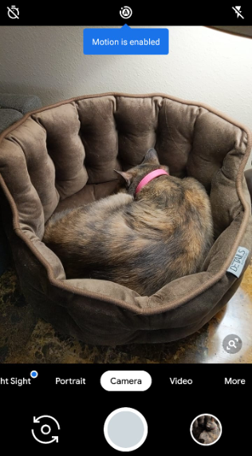
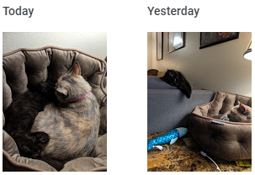
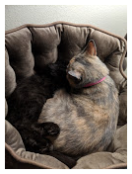
 |  |  |  |  |  |  | Details: 10/30/2019 - 21:12

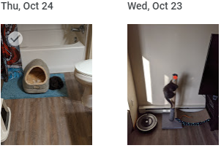

 |  |  |  |  |  |  | Image Description:
 |  |  |  |  |  |  | This is the first time my cats touched each other without trying to kill each other. Yayyyy!

 | Camera | Picture Gallery |  | Camera | Picture Gallery |  | Camera | Picture Gallery

